Sheet1
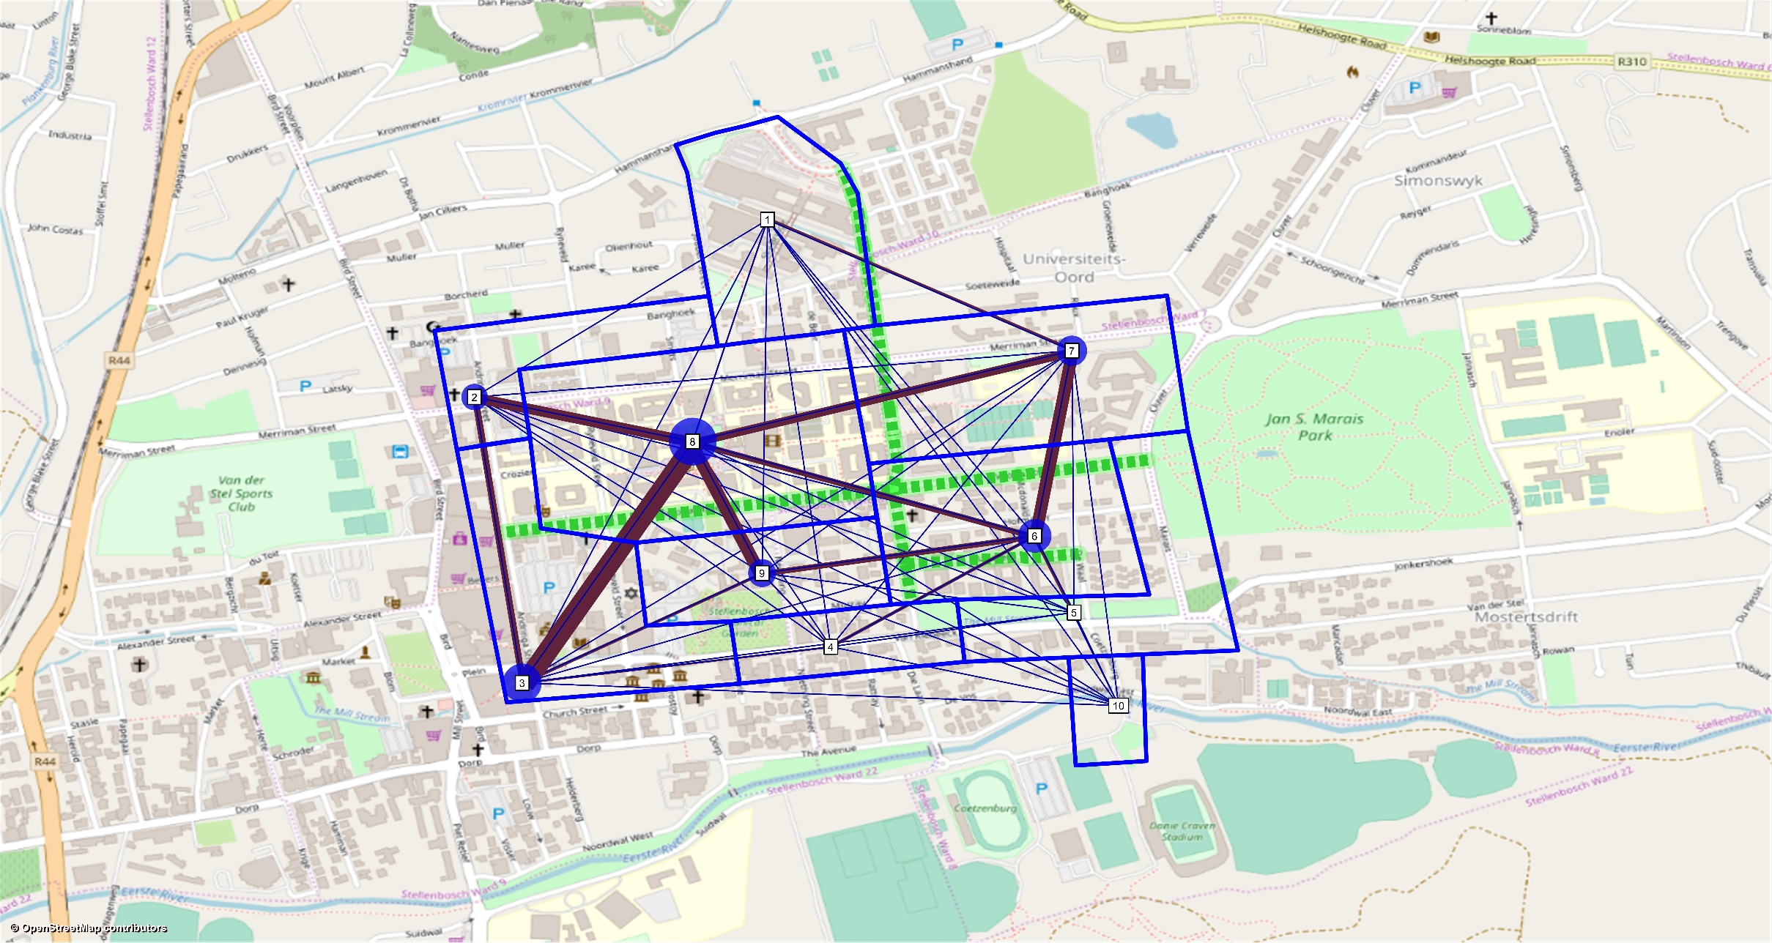
 |  | V1 | V2 | Coordinates concatenated
1 | Engineering faculty | -33.929972 | 18.865677 | -33.929972, 18.865677
2 | Corner of Andringa St and Banghoek Rd | -33.930799 | 18.85993 | -33.930799, 18.85993
3 | Eikestad Mall parking lot | -33.935169 | 18.86132 | -33.935169, 18.86132
4 | Corner of Van Riebeeck Rd and Neetling St | -33.936725 | 18.866079 | -33.936725, 18.866079
5 | Corner of De Waal Rd and Claassen St | -33.934916 | 18.871437 | -33.934916, 18.871437
6 | Corner of Mcdonald Rd and Victoria St | -33.933425 | 18.870353 | -33.933425, 18.870353
7 | Bus stop in Merriman Avenue | -33.930843 | 18.871007 | -33.930843, 18.871007
8 | Central Stellenbosch University Campus | -33.932234 | 18.86467 | -33.932234, 18.86467
9 | Corner of Victoria St and Neetling St | -33.934052 | 18.865602 | -33.934052, 18.865602
10 | Stellenbosch University Sport grounds | -33.940034 | 18.870718 | -33.940034, 18.870718

